May.20_5052020
อัพเดท 5/5/2020 (เวียน mail)
 | 2020
Petroleum | Jan-20 | Feb-20 | Mar-20 | Apr-20 | May-20 | Jun-20 | Jul-20
Dubai-PRISM (USD/BBL) | 64.3 | 54.2 | 33.7 | 20.4 | 23.0 | 25.0 | 27.0
Naphtha SG-PRISM (USD/BBL) | 60.9 | 52.3 | 30.3 | 17.9 | 21.0 | 23.5 | 25.5
Naphtha MOP J-PRISM (USD/TON) | 560 | 482.7 | 284.5 | 173.1 | 201.0 | 223.5 | 241.5
LPG CP (USD/TON) (C3:C4 50:50) | 577.5 | 525.0 | 455.0 | 235.0 | 340.0 | 290.0 | 272.5
C3 (USD/TON) | 565 | 505 | 430 | 230 | 340 | 300 | 280
C4 (USD/TON) | 590 | 545 | 480 | 240 | 340 | 280 | 265
Naphtha MOP J-LPG Spread | -17.6 | -42.3 | -170.5 | -61.9 | -139.0 | -66.5 | -31.0

Spread to Dubai | Jan-20 | Feb-20 | Mar-20 | Apr-20 | May-20 | May-20 | May-20
LPG CP | -14.5 | -9.0 | 5.5 | -0.1 | 6.3 | 0.0 | -3.5
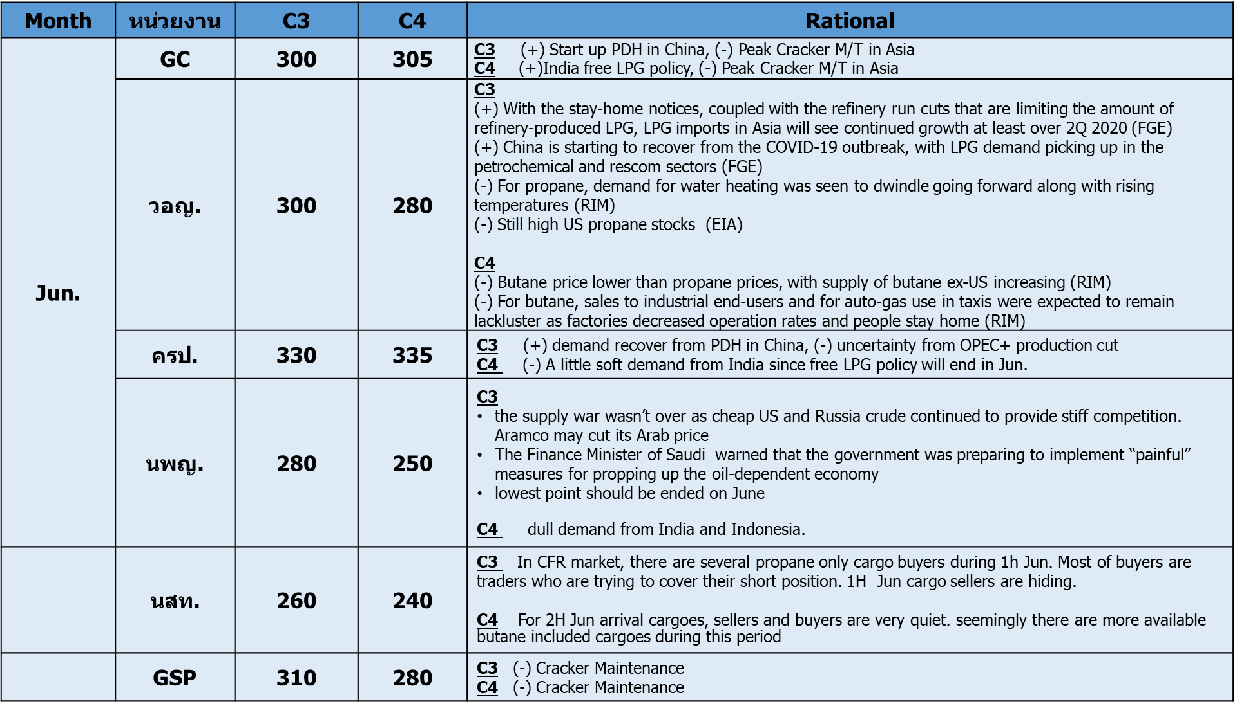
All Projections from PRISM analysis as of 27 Apr.2020

 | Trend | Trend | Trend
 | Jan-20 | Feb-20 | Mar-20 | Apr-20 | May-20 | Jun-20 | Jun-20
LPG-CP (Forecast) | 485.6 | 547.5 | 407.5 | 278.8 | 339.2 | 289.2 | 272.1
วอญ. | 485.0 | 550.0 | 425.0 | 275.0 | 352.5 | 290.0 | 260.0
ครป.+VCO | 500.0 | 545.0 | 410.0 | 275.0 | 342.5 | 332.5 | 317.5
นพญ. | 490.0 | 540.0 | 375.0 | 275.0 | 342.5 | 265.0 | 285.0
Trading (นสท.+วผท.) |  |  | 420.0 | 290.0 | 352.5 | 250.0 | 230.0
GSP | 467.5 | 555.0 |  | 277.5 | 342.5 | 295.0 | 287.5
GC |  |  |  | 280.0 | 302.5 | 302.5 | 252.5

C3 (Forecast) | 475.0 | 533.8 | 378.8 | 266.7 | 336.7 | 296.7 | 275.8
วอญ. | 470 | 535 | 400 | 260 | 350 | 300 | 270
ครป.+VCO | 490 | 535 | 380 | 250 | 340 | 330 | 320
นพญ. | 480 | 525 | 350 | 270 | 340 | 280 | 300
Trading (นสท.+วผท.) |  |  | 385 | 280 | 350 | 260 | 240
GSP | 460 | 540 |  | 265 | 340 | 310 | 280
GC |  |  |  | 275 | 300 | 300 | 245

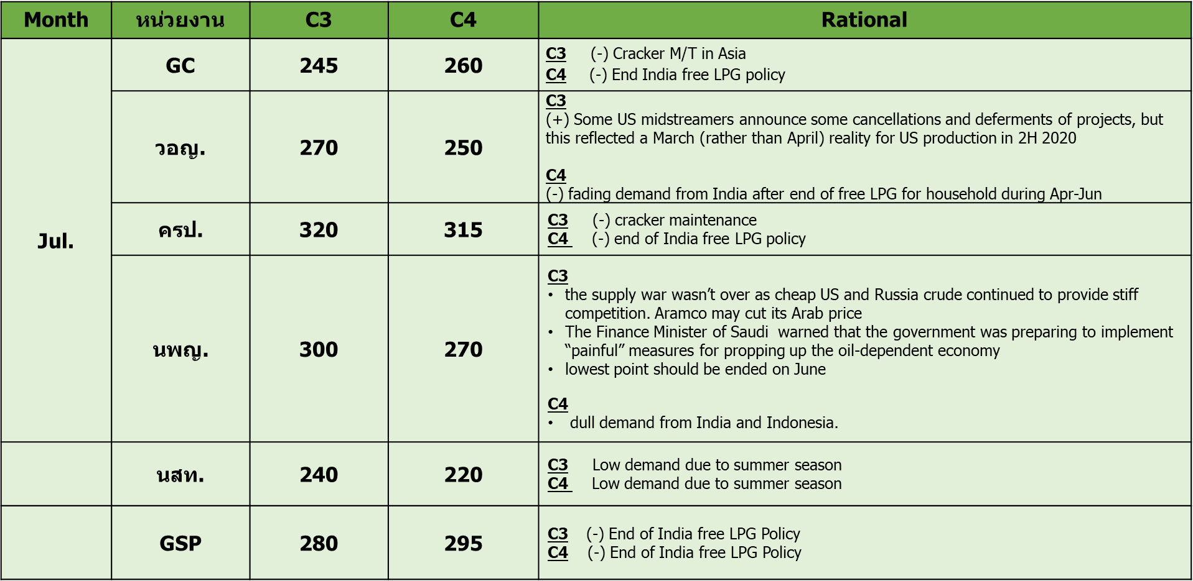
C4 (Forecast) | 496.3 | 561.3 | 436.3 | 290.8 | 341.7 | 281.7 | 268.3
วอญ. | 500 | 565 | 450 | 290 | 355 | 280 | 250
ครป.+VCO | 510 | 555 | 440 | 300 | 345 | 335 | 315
นพญ. | 500 | 555 | 400 | 280 | 345 | 250 | 270
Trading (นสท.+วผท.) |  |  | 455 | 300 | 355 | 240 | 220
GSP | 475 | 570 |  | 290 | 345 | 280 | 295
GC |  |  |  | 285 | 305 | 305 | 260

Naphtha-LPG Spread (Forecast) | 74.3 | -64.8 | -123.0 | -105.7 | -138.2 | -65.7 | -30.6

error_2021
2021 LPG Price Forecast (M+1)
 | Error | Actual | PRISM
 | 15.15% | 577.5
 | 4.29% | 525
 | 9.34% | 455
 | 19.15% | 235
 | 11.76% | 340
 | 5.15% | 340
 | 4.29% | 350
 | 1.41% | 355
 | 0.00% | 360
 | 2.65% | 377.5
 | 0.00% | 435
 | 0.00% | 455
 | 12.04% | 540 | 475
 | 2.52% | 595 | 580
 | 3.28% | 610 | 590
 |  |  | 540
 |  |  | 510
M+1
Trend Accuracy | 1 | 1 | 1 | 1 | 1 | 0 | 0 | 1 | 1 | 1 | 1 | 1 | 1 | 1 | 0 |  |  |  | Spread to Dubai
 | Jan-20 | Feb-20 | Mar-20 | Apr-20 | May-20 | Jun-20 | Jul-20 | Aug-20 | Sep-20 | Oct-20 | Nov-20 | Dec-20 | Jan-21 | Feb-21 | Mar-21 |  |  |  | Actual | forecast
 | Dec-19 | Jan-20 | Feb-20 | Mar-20 | Apr-20 | May-20 | Jun-20 | Jul-20 | Aug-20 | Sep-20 | Oct-20 | Nov-20 | Dec-20 | Jan-21 | Feb-21 |  |  | Jan-20 | 577.5
C3 Forecast | 480 | 535 | 385 | 270 | 300 | 330 | 345 | 360 | 365 | 365 | 430 | 450 | 480 | 595 | 600 |  |  | Feb-20 | 525
C4 Forecast | 500 | 560 | 440 | 290 | 300 | 315 | 325 | 345 | 355 | 370 | 440 | 460 | 470 | 565 | 580 |  |  | Mar-20 | 455
LPG Forecast | 490 | 547.5 | 412.5 | 280 | 300 | 322.5 | 335 | 350 | 360 | 367.5 | 435 | 455 | 475 | 580 | 590 |  |  | Apr-20 | 235
C3 Actual | 565 | 505 | 430 | 230 | 340 | 350 | 360 | 365 | 365 | 375 | 430 | 450 | 550 | 605 | 625 |  |  | May-20 | 340
C4 Actual | 590 | 545 | 480 | 240 | 340 | 330 | 340 | 345 | 355 | 380 | 440 | 460 | 530 | 585 | 595 |  |  | Jun-20 | 340
LPG Actual | 577.5 | 525 | 455 | 235 | 340 | 340 | 350 | 355 | 360 | 377.5 | 435 | 455 | 540 | 595 | 610 |  |  | Jul-20 | 350
Error 1M | -15.15% | 4.29% | -9.34% | 19.15% | -11.76% | -5.15% | -4.29% | -1.41% | 0.00% | -2.65% | 0.00% | 0.00% | -12.04% | -2.52% | -3.28% |  |  | Aug-20 | 355
Abs Error 1M | 15.15% | 4.29% | 9.34% | 19.15% | 11.76% | 5.15% | 4.29% | 1.41% | 0.00% | 2.65% | 0.00% | 0.00% | 12.04% | 2.52% | 3.28% |  |  | Sep-20 | 360
Avg. Error | 15.15% | 9.72% | 9.59% | 11.98% | 11.94% | 10.81% | 9.87% | 8.82% | 7.84% | 7.32% | 6.65% | 6.10% | 12.04% | 7.28% | 5.95% |  |  | Oct-20 | 377.5
 |  |  |  |  |  |  |  |  |  |  |  |  |  |  |  | 67% | trend accuracy | Nov-20 | 435
M+2 |  |  |  |  |  |  |  |  |  |  |  |  |  |  |  |  |  | Dec-20 | 455
Trend Accuracy | 1 | 0 | 1 | 0 | 1 | 1 | 0 | 0 | 1 | 1 | 1 | 0 | 1 | 0 | 0 |  |  | Jan-21 | 540 | 475
 | Jan-20 | Feb-20 | Mar-20 | Apr-20 | May-20 | Jun-20 | Jul-20 | Aug-20 | Sep-20 | Oct-20 | Nov-20 | Dec-20 | Jan-21 | Feb-21 | Mar-21 |  |  | Feb-21 | 595 | 580
 | Nov-20 | Dec-20 | Jan-20 | Feb-20 | Mar-20 | Apr-20 | May-20 | Jun-20 | Jul-20 | Aug-20 | Sep-20 | Oct-20 | Nov-20 | Dec-20 | Jan-21 |  |  | Mar-21 | 610 | 590
C3 Forecast | 420 | 495 | 500 | 385 | 280 | 345 | 305 | 340 | 365 | 370 | 375 | 430 | 455 | 460 | 570 |  |  | Apr-21 |  | 540
C4 Forecast | 430 | 505 | 525 | 440 | 295 | 355 | 295 | 320 | 355 | 365 | 385 | 440 | 465 | 455 | 550 |  |  | May-21 |  | 510
LPG Forecast | 425 | 500 | 512.5 | 412.5 | 287.5 | 350 | 300 | 330 | 360 | 367.5 | 380 | 435 | 460 | 457.5 | 560 |  |  | Jun-21
C3 Actual | 565 | 505 | 430 | 230 | 340 | 350 | 360 | 365 | 365 | 375 | 430 | 450 | 550 | 605 | 625 |  |  | Jul-21
C4 Actual | 590 | 545 | 480 | 240 | 340 | 330 | 340 | 345 | 355 | 380 | 440 | 460 | 530 | 585 | 595 |  |  | Aug-21
LPG Actual | 577.5 | 525 | 455 | 235 | 340 | 340 | 350 | 355 | 360 | 377.5 | 435 | 455 | 540 | 595 | 610 |  |  | Sep-21
Error 2M | -26.41% | -4.76% | 12.64% | 75.53% | -15.44% | 2.94% | -14.29% | -7.04% | 0.00% | -2.65% | -12.64% | -4.40% | -14.81% | -23.11% | -8.20% |  |  | Oct-21
Abs Error 2M | 26.41% | 4.76% | 12.64% | 75.53% | 15.44% | 2.94% | 14.29% | 7.04% | 0.00% | 2.65% | 12.64% | 4.40% | 14.81% | 23.11% | 8.20% |  |  | Nov-21
Avg. Error | 26.41% | 15.58% | 14.60% | 29.83% | 26.96% | 22.95% | 21.72% | 19.88% | 17.67% | 16.17% | 15.85% | 14.89% | 14.81% | 18.96% | 15.37% |  |  | Dec-21
 | Iran | Virus |  | Price war |  |  |  |  |  |  |  |  |  |  |  | 33% | trend accuracy
 |  | เทรนผิด |  | เทรนผิด |  | เทรนผิด | เทรนผิด |  |  |  |  | เทรนผิด |  |  | เทรนผิด
(+) forecast > actual |  |  |  | Note: forecast ว่าเทรนคงที่ แต่ actual ราคาลง |  |  |  |  |  |  |  | Note: forecast ว่าเทรนคงที่ แต่ actual ราคาขึ้น
(-) forecast < actual |  |  |  |  |  | Note: forecast ว่าเทรนขึ้น แต่ actual ราคาทรง |  |  |  |  |  |  |  | เทรนผิด
 |  |  |  |  |  |  | Note: มองว่าจะลงเพราะ demand ยังไม่กลับมา เนื่องจาก spot ยังต่ำกว่า CP แต่ actual ราคาขึ้น |  |  |  |  |  |  | Note: อากาศหนาวฉับพลัน, ข่าวดีเรื่องวัคซัน ราคา crude สูงกว่าที่คาดการณ์

